DASHBOARD

ADIDAS RETAILERS SALES DASHBOARD
FIGURES IN MILLIONS
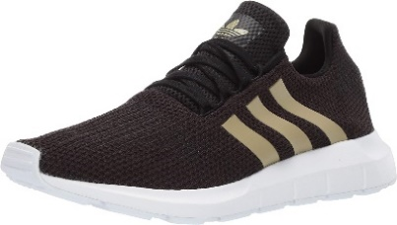

$899,902,125.00
2478861
$332,134,761.45
$45.22
UNITS SOLD
OPERATING PROFIT
AVERAGE PRICE
TOTAL SALES

PRODUCT SALES |  |  |  | RETAILER SALES
PRODUCT | 2020 SALES | 2021 SALES | VARIANCE | RETAILER | 2020 SALES | 2021 SALES | VARIANCE
Men's Apparel | 26216964 | 97511668 | 71294704 | Amazon | 0 | 77698912 | 77698912
Men's Athletic Footwear | 31794462 | 121879218 | 90084756 | Foot Locker | 42876805 | 177217915 | 134341110
Men's Street Footwear | 37823020 | 171003224 | 133180204 | Kohl's | 758503 | 101356250 | 100597747
Women's Apparel | 35190332 | 143848528 | 108658196 | Sports Direct | 15261101 | 167209896 | 151948795
Women's Athletic Footwear | 23629892 | 83002004 | 59372112 | Walmart | 32885000 | 41673410 | 8788410
Women's Street Footwear | 27426005 | 100576808 | 73150803 | West Gear | 90299266 | 152665067 | 62365801
Grand Total | 182080675 | 717821450 | 535740775 | Grand Total | 182080675 | 717821450 | 535740775
SALES AND OPERATING MARGIN BY QUARTER
 | Sum of Total Sales | Average of Operating Margin
Qtr1 | 48912311 | 0.40174683544
Qtr2 | 50354839 | 0.4
Qtr3 | 55328429 | 0.41026548673
Qtr4 | 27485096 | 0.40243816254
Qtr1 | 140476093 | 0.4165704501
Qtr2 | 177240198 | 0.42755819477
Qtr3 | 209979925 | 0.43470170455
Qtr4 | 190125234 | 0.42483932854
This Photo by Unknown Author is licensed under CC BY-NC-ND

